Script
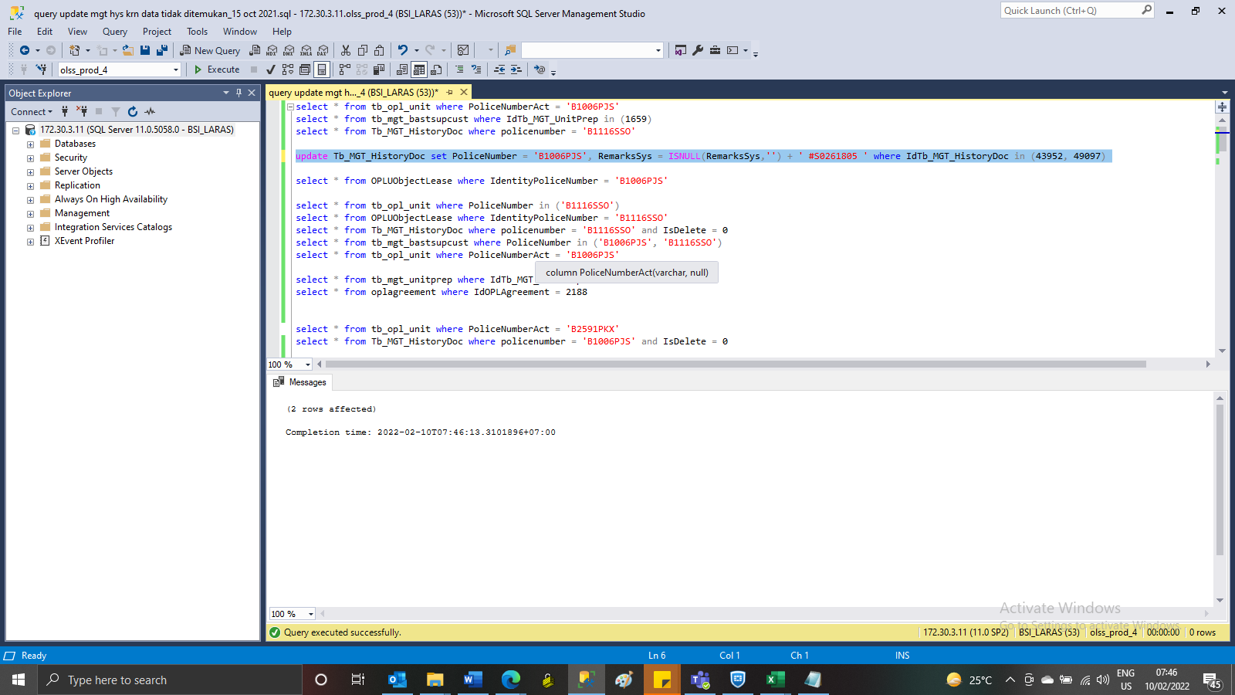
update Tb_MGT_HistoryDoc set PoliceNumber = 'B1006PJS', RemarksSys = ISNULL(RemarksSys,'') + ' #S0261805 ' where IdTb_MGT_HistoryDoc in (43952, 49097)

SS
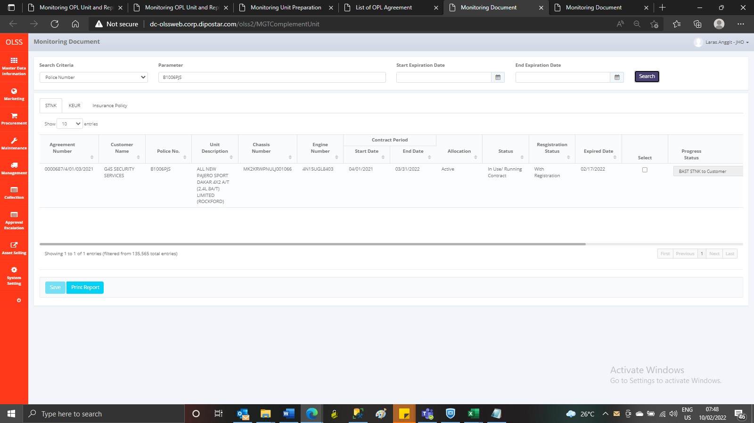
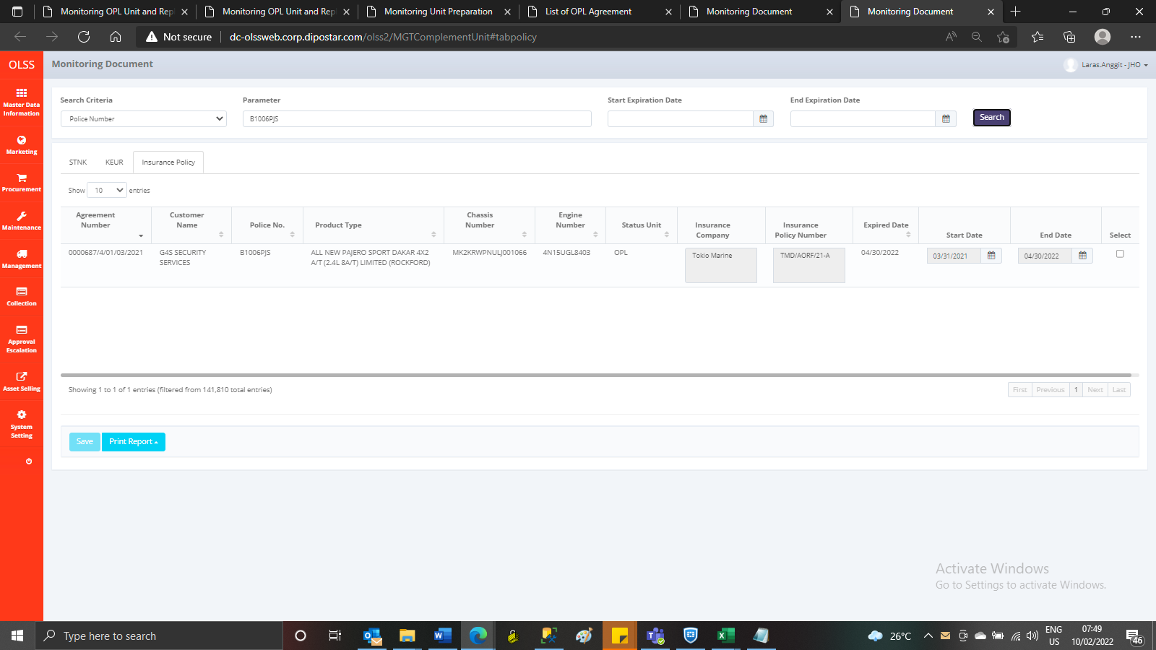
BEFORE

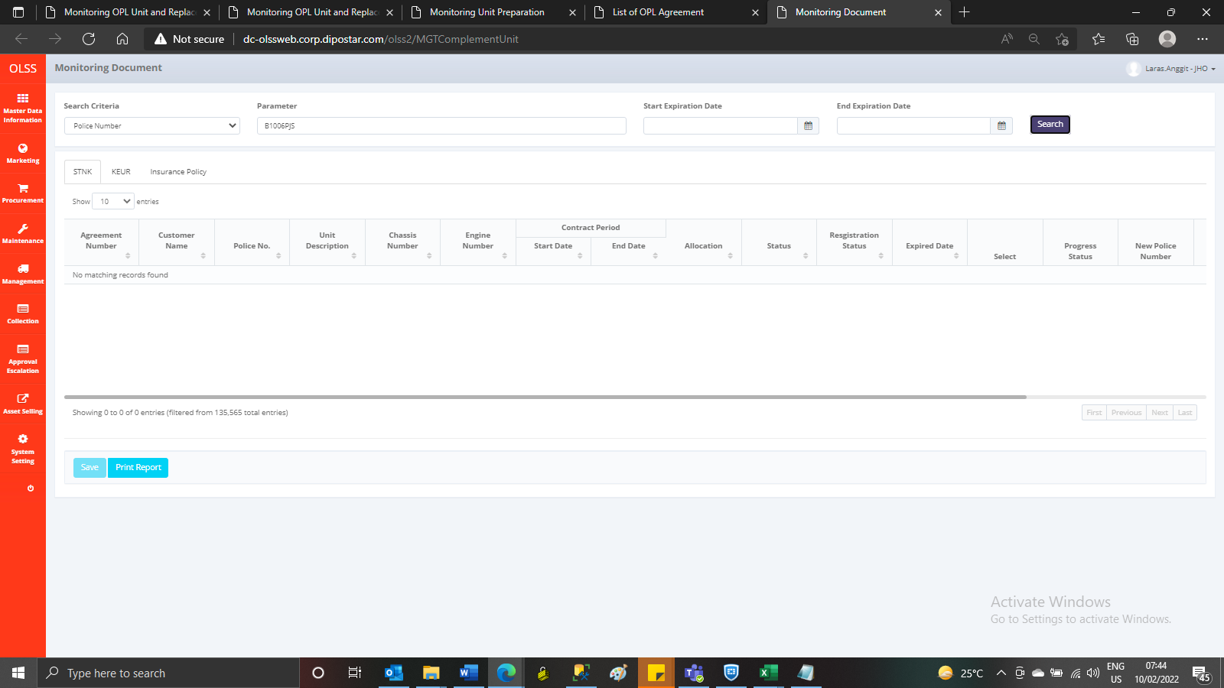

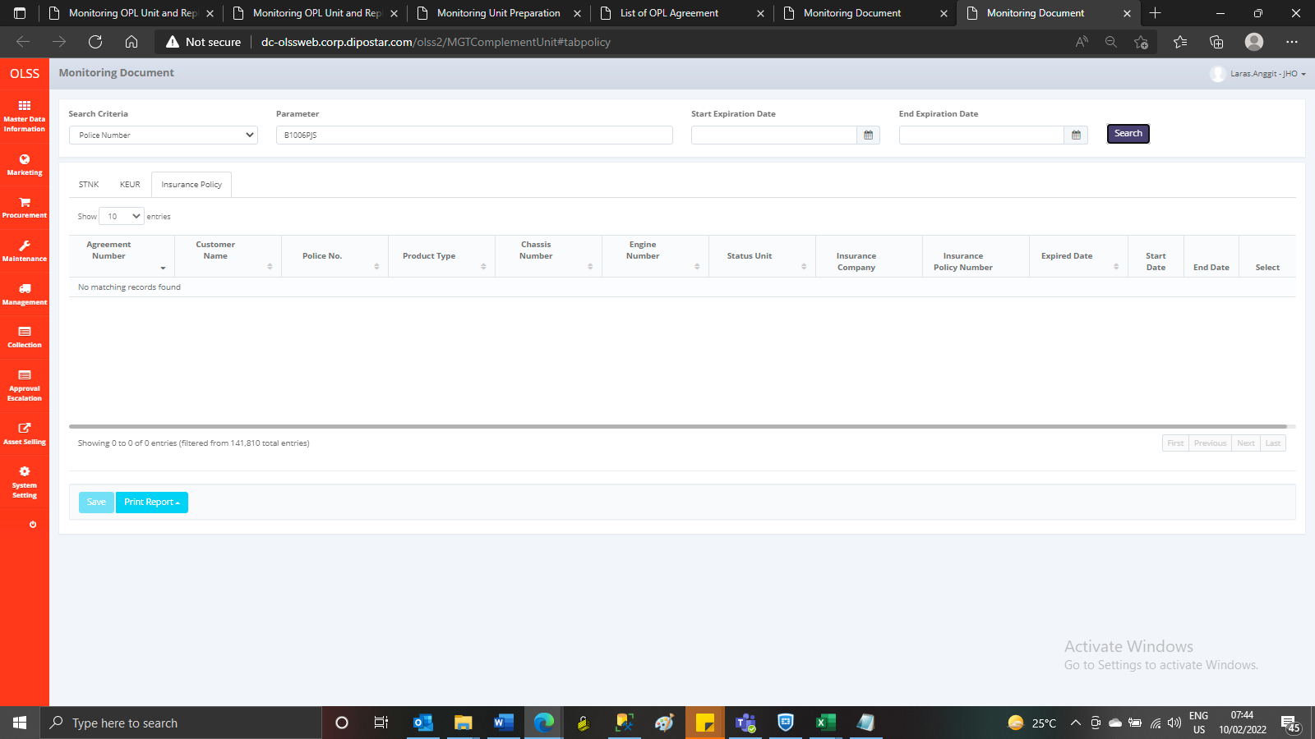

AFTER

